Baseline
STT | Tên Model | Accuracy | F1-score | Recall | Learning Curve | Confusion Matrix | Parameters
1 | LDI-NET | 0.7694 | 0.766 | 0.7765 | 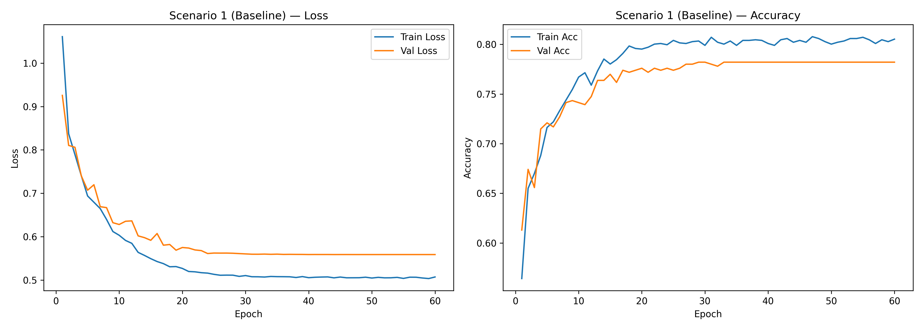 | 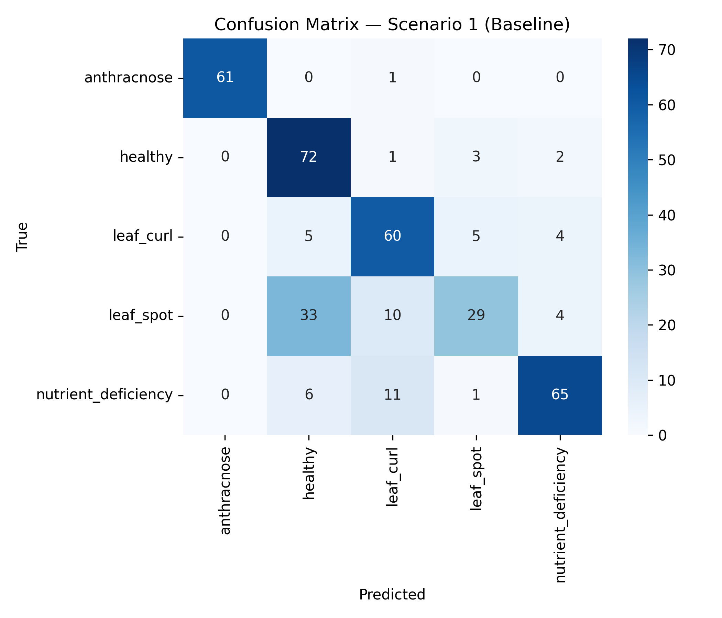 | 8,798,597

Augmented
STT | Tên Model | Accuracy | F1-score | Recall | Learning Curve | Confusion Matrix | Parameters
1 | LDI-NET | 0.7158 | 0.7167 | 0.7234 | 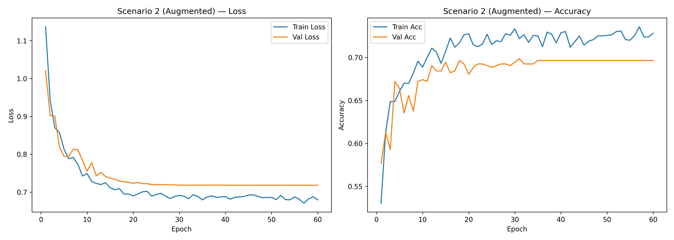 | 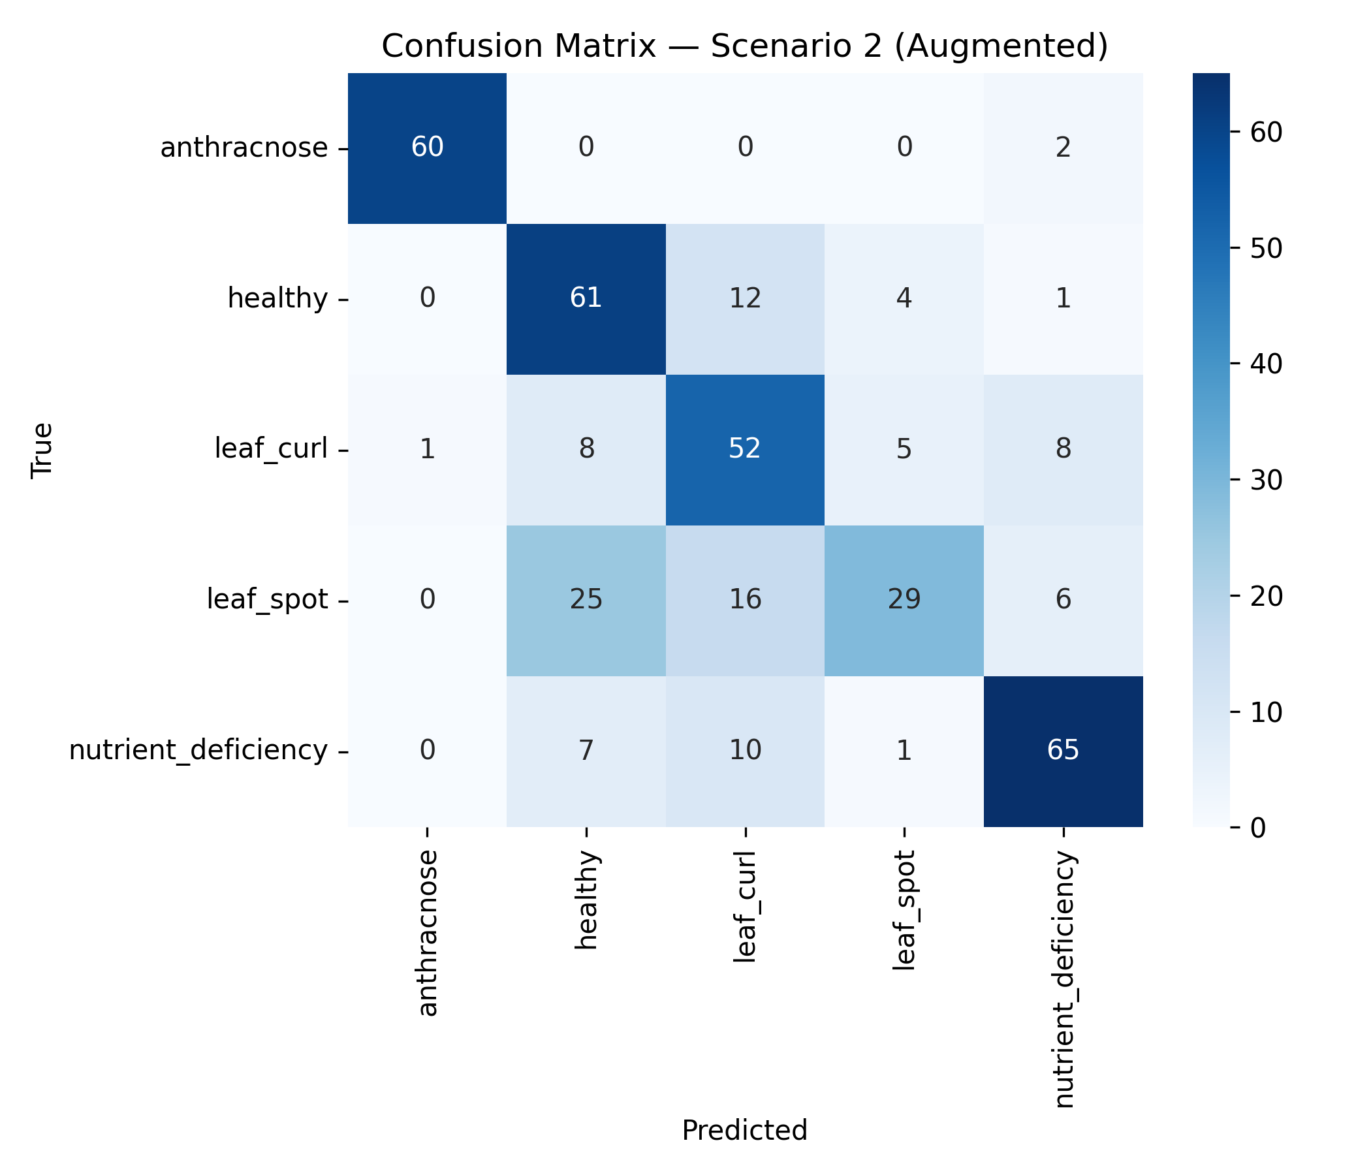 | 8,798,597

